Monthly Sales by Product
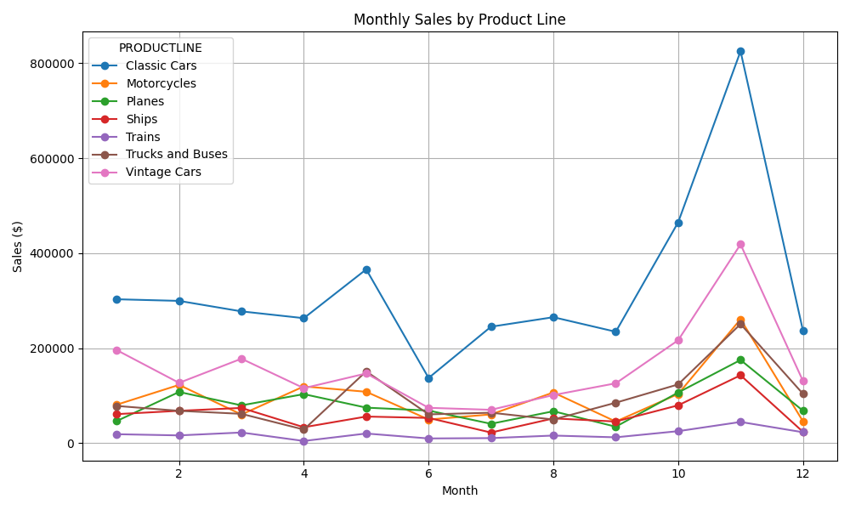
Month | Classic Cars | Motorcycles | Planes | Ships | Trains | Trucks and Buses | Vintage Cars
1 | 303070.56 | 81113.88 | 46715.81 | 61287.4 | 19026.58 | 78530.63 | 196129.58
2 | 299647.8 | 122801.68 | 107905.65 | 68247.96 | 16507.95 | 68211.07 | 127119.79
3 | 277560.54 | 60469.98 | 79735.05 | 74341.94 | 22581.27 | 61877.34 | 177935.27
4 | 263252 | 119606.88 | 103359.77 | 33683.45 | 4756.47 | 28790.76 | 115941.63
5 | 365946.75 | 108335.97 | 74929.05 | 56156.3 | 20457.34 | 151270.15 | 146877
6 | 137419.98 | 49879.42 | 68765.93 | 53274.53 | 10071.06 | 60777.51 | 74568.35
7 | 245292.95 | 60698.23 | 40915.32 | 22532.62 | 10802.2 | 64270.07 | 70364.58
8 | 265302.43 | 106869.84 | 67352.01 | 52250.37 | 16168.12 | 49943.29 | 101424.51
9 | 234673.08 | 45626.63 | 34785.62 | 45715.23 | 12479.84 | 85297.65 | 126146.22
10 | 465002.24 | 103649.61 | 106777.65 | 79791.74 | 25416.87 | 123813.57 | 216763.54
11 | 825156.26 | 261057.36 | 175263.97 | 143075.65 | 44794.63 | 250874.06 | 418663.74
12 | 237291.07 | 46278.86 | 68497.74 | 24079.94 | 23181.14 | 104133.74 | 131216.63

Top 5 Products
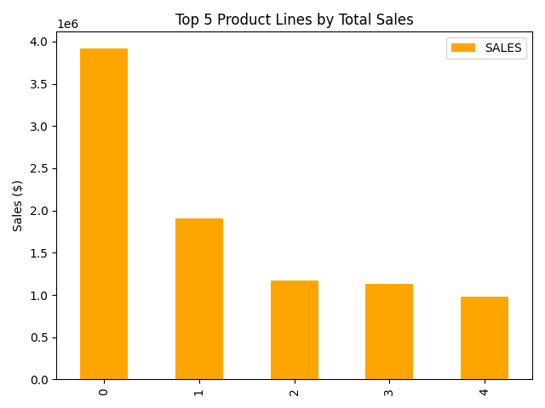
PRODUCTLINE | SALES
Classic Cars | 3919615.66
Vintage Cars | 1903150.84
Motorcycles | 1166388.34
Trucks and Buses | 1127789.84
Planes | 975003.57

